Foglio1
 |  |  |  |  |  |  |  |  |  | DISPONIBILITA' AL 12/04/2024
AVAILABLE | BRAND | SKETCH | CODE | STYLE | COLOUR VARIANT | composition / tecnique | MEASUREMENTS | WHS | RRP | Q.TY
IMMEDIATELY AVAILABLE | BIKKEMBERGS | 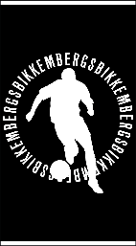 | BKK2MTW02 | FASHION PUPINO | BLACK | JACQUARD terry/ 420 gsm 90x170 | 90X170 | € 38.00 | € 80.00 | 500
IMMEDIATELY AVAILABLE | BIKKEMBERGS | 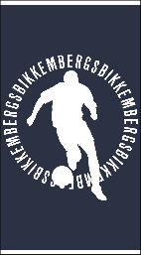 | BKK2MTW02 | FASHION PUPINO | NAVY | JACQUARD terry/ 420 gsm 90x170 | 90X170 | € 38.00 | € 80.00 | 500
IMMEDIATELY AVAILABLE | BIKKEMBERGS |  | BKK2MTW02 | FASHION PUPINO | WHITE | JACQUARD terry/ 420 gsm 90x170 | 90X170 | € 38.00 | € 80.00 | 500
IMMEDIATELY AVAILABLE | BIKKEMBERGS |  | BKK2MTW02 | FASHION PUPINO | YELLOW | JACQUARD terry/ 420 gsm 90x170 | 90X170 | € 38.00 | € 80.00 | 500 | 2000
ABOUT 20TH OF FEBRUARY | BIKKEMBERGS | 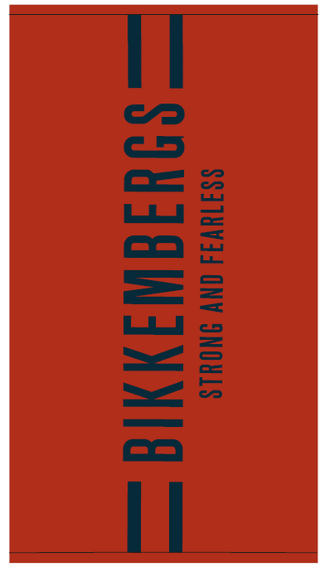 | BKK3MTW01 | Beach towel | RED | 100% Cotton Solid Dyed Basic Jacquard Beach Towel . | 90X170 | € 33.00 | € 67.00 | 500
ABOUT 20TH OF FEBRUARY | BIKKEMBERGS | 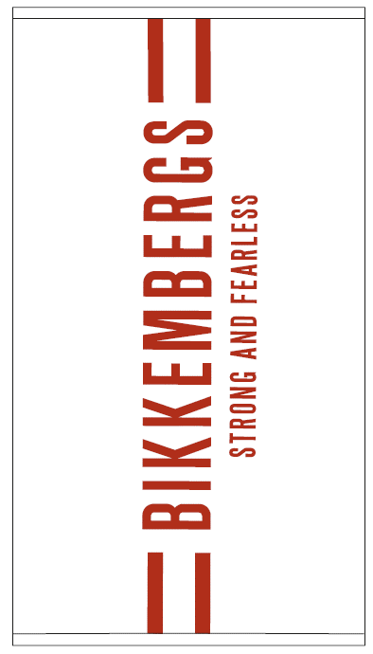 | BKK3MTW01 | Beach towel | white | 100% Cotton Solid Dyed Basic Jacquard Beach Towel . | 90X170 | € 33.00 | € 67.00 | 500
ABOUT 20TH OF FEBRUARY | BIKKEMBERGS | 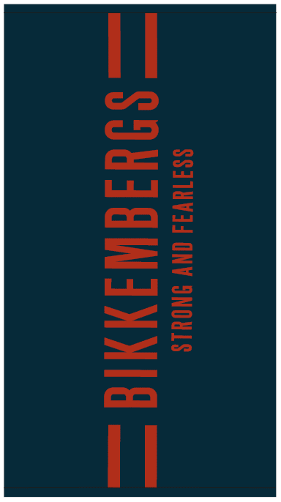 | BKK3MTW01 | Beach towel | navy | 100% Cotton Solid Dyed Basic Jacquard Beach Towel . | 90X170 | € 33.00 | € 67.00 | 500
ABOUT 20TH OF FEBRUARY | BIKKEMBERGS | 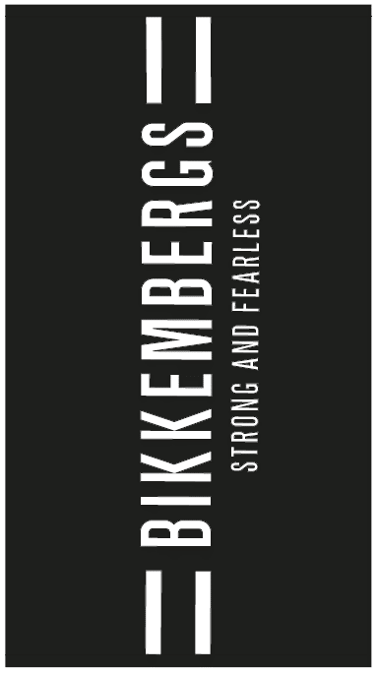 | BKK3MTW01 | Beach towel | Black | 100% Cotton Solid Dyed Basic Jacquard Beach Towel . | 90X170 | € 33.00 | € 67.00 | 500 | 2000
ABOUT 20TH OF MARCH | BIKKEMBERGS | 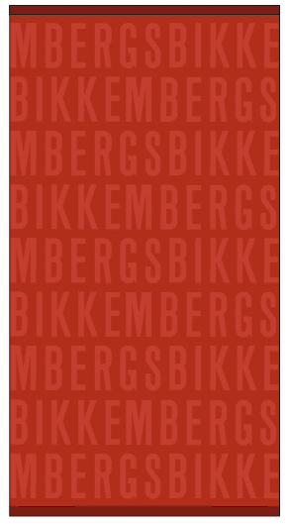 | BKK3MTW02 | Beach towel | RED | 100% Cotton Solid Dyed Basic Jacquard Beach Towel . | 90X170 | € 29.00 | € 60.00 | 1249
ABOUT 20TH OF MARCH | BIKKEMBERGS | 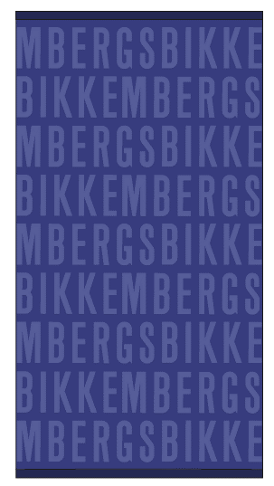 | BKK3MTW02 | Beach towel | clematis blue | 100% Cotton Solid Dyed Basic Jacquard Beach Towel . | 90X170 | € 29.00 | € 60.00 | 1007
ABOUT 20TH OF MARCH | BIKKEMBERGS | 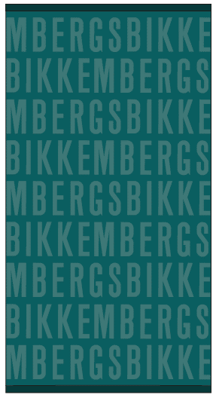 | BKK3MTW02 | Beach towel | everglade | 100% Cotton Solid Dyed Basic Jacquard Beach Towel . | 90X170 | € 29.00 | € 60.00 | 1333
ABOUT 20TH OF MARCH | BIKKEMBERGS | 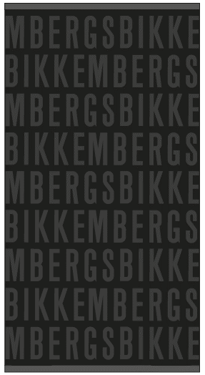 | BKK3MTW02 | Beach towel | Black | 100% Cotton Solid Dyed Basic Jacquard Beach Towel . | 90X170 | € 29.00 | € 60.00 | 683 | 4272
IMMEDIATELY AVAILABLE | CAVALLI |  | CLL1MTW01 | BEACH TOWEL | BLACK | 100% COTTON TERRY COTTON | 90X170 | € 34.00 | € 75.00 | 976
IMMEDIATELY AVAILABLE | CAVALLI | 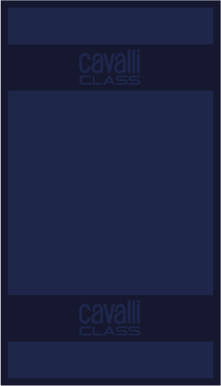 | CLL1MTW01 | BEACH TOWEL | NAVY | 100% COTTON TERRY COTTON | 90X170 | € 34.00 | € 75.00 | 2425
IMMEDIATELY AVAILABLE | CAVALLI |  | CLL1MTW01 | BEACH TOWEL | TEAL | 100% COTTON TERRY COTTON | 90X170 | € 34.00 | € 75.00 | 910
IMMEDIATELY AVAILABLE | CAVALLI |  | CLL1MTW01 | BEACH TOWEL | ORANGE | 100% COTTON TERRY COTTON | 90X170 | € 34.00 | € 75.00 | 1061 | 5372
IMMEDIATELY AVAILABLE | CAVALLI | 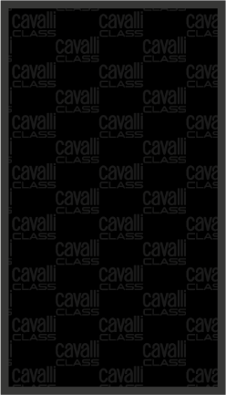 | CLL1MTW02 | BEACH TOWEL | BLACK | 100% COTTON TERRY COTTON | 90X170 | € 34.00 | € 75.00 | 1422
IMMEDIATELY AVAILABLE | CAVALLI | 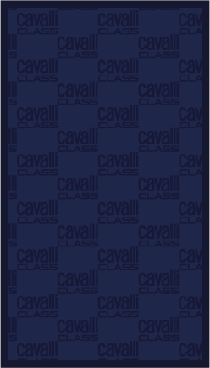 | CLL1MTW02 | BEACH TOWEL | NAVY | 100% COTTON TERRY COTTON | 90X170 | € 34.00 | € 75.00 | 2692
IMMEDIATELY AVAILABLE | CAVALLI | 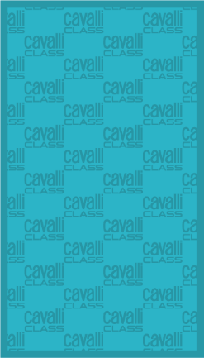 | CLL1MTW02 | BEACH TOWEL | TEAL | 100% COTTON TERRY COTTON | 90X170 | € 34.00 | € 75.00 | 1320
IMMEDIATELY AVAILABLE | CAVALLI | 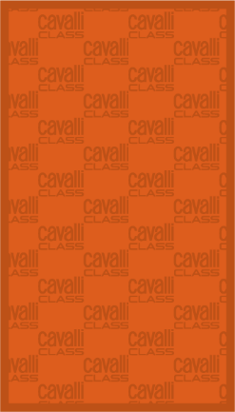 | CLL1MTW02 | BEACH TOWEL | ORANGE | 100% COTTON TERRY COTTON | 90X170 | € 34.00 | € 75.00 | 1125 | 6559
IMMEDIATELY AVAILABLE | ICEBERG | 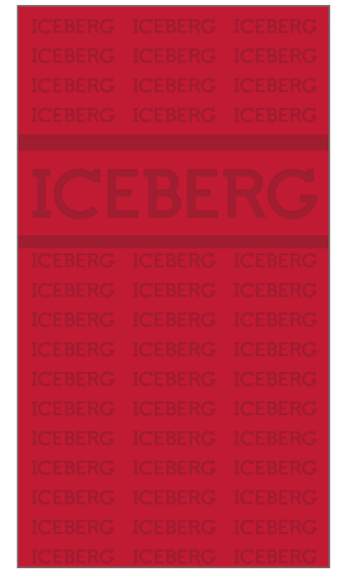 | ICE4MTW01 | Beach towel | Red | 100% Cotton Solid Dyed Basic Jacquard Beach Towel . | 90X170 | € 30.00 | € 60.00 | 1000
IMMEDIATELY AVAILABLE | ICEBERG | 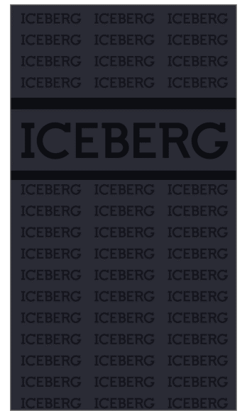 | ICE4MTW01 | Beach towel | Navy | 100% Cotton Solid Dyed Basic Jacquard Beach Towel . | 90X170 | € 30.00 | € 60.00 | 1000
IMMEDIATELY AVAILABLE | ICEBERG | 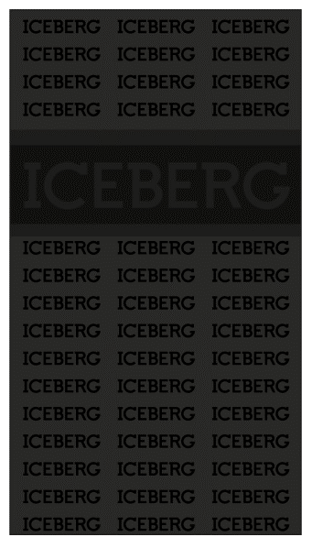 | ICE4MTW01 | Beach towel | Black | 100% Cotton Solid Dyed Basic Jacquard Beach Towel . | 90X170 | € 30.00 | € 60.00 | 1000
IMMEDIATELY AVAILABLE | ICEBERG | 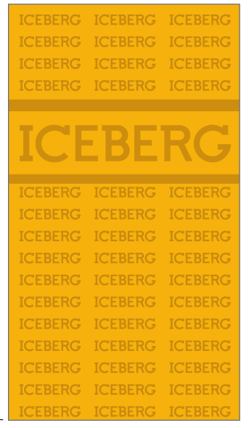 | ICE4MTW01 | Beach towel | Yellow | 100% Cotton Solid Dyed Basic Jacquard Beach Towel . | 90X170 | € 30.00 | € 60.00 | 1000 | 4000
MID MARCH | TRUSSARDI |  | TRU2MTW01 | Beach towel | Red | 100% Cotton Solid Dyed Basic Jacquard Beach Towel . | 90X170 | € 32.00 | € 75.00 | 1000
MID MARCH | TRUSSARDI |  | TRU2MTW01 | Beach towel | Purple | 100% Cotton Solid Dyed Basic Jacquard Beach Towel . | 90X170 | € 32.00 | € 75.00 | 1000
MID MARCH | TRUSSARDI |  | TRU2MTW01 | Beach towel | Navy | 100% Cotton Solid Dyed Basic Jacquard Beach Towel . | 90X170 | € 32.00 | € 75.00 | 1000
MID MARCH | TRUSSARDI |  | TRU2MTW01 | Beach towel | Black | 100% Cotton Solid Dyed Basic Jacquard Beach Towel . | 90X170 | € 32.00 | € 75.00 | 1000 | 4000
MID-APRIL | PLEIN SPORT | 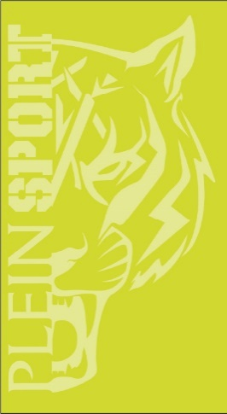 | PS24TW01 | Beach towel | LIME | 100% COTTON (90 X 170) GARMENT DYED | 90X170 | € 32.00 | € 67.00 | 500
MID-APRIL | PLEIN SPORT | 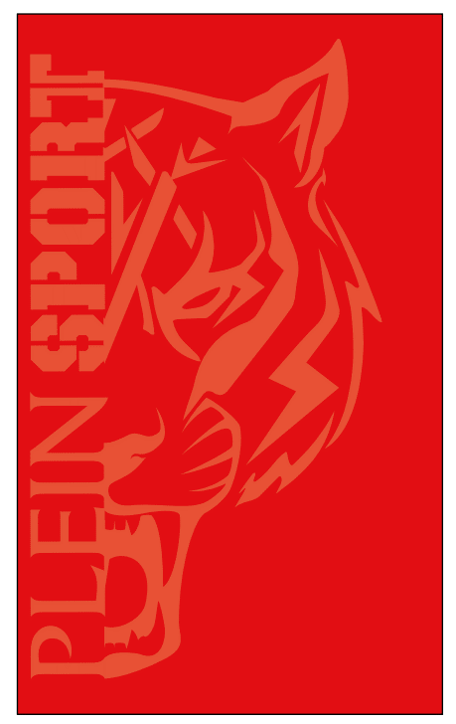 | PS24TW01 | Beach towel | RED | 100% COTTON (90 X 170) GARMENT DYED | 90X170 | € 32.00 | € 67.00 | 500
MID-APRIL | PLEIN SPORT |  | PS24TW01 | Beach towel | NAVY | 100% COTTON (90 X 170) GARMENT DYED | 90X170 | € 32.00 | € 67.00 | 1000
MID-APRIL | PLEIN SPORT | 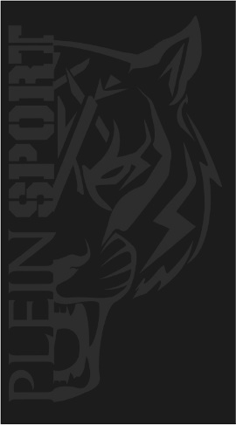 | PS24TW01 | Beach towel | BLACK | 100% COTTON (90 X 170) GARMENT DYED | 90X170 | € 32.00 | € 67.00 | 1000 | 3000

 |  |  |  |  |  |  |  |  |  | 31,203

